2016
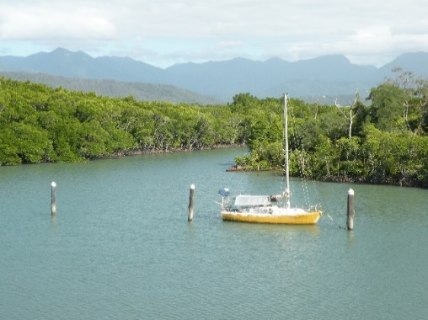
R2G - Southeast Asia and Oceania
Volunteer Satisfaction Results
2017-03-31
Total Tours | 100 |  | Total Guests | 2000

 | Tour Activities | Volunteer Activities | Accommodation | Food | Experience Leader
Excellent | 1000 | 1545 | 1100 | 500 | 1800
Good | 900 | 410 | 820 | 700 | 193
Fair | 75 | 40 | 50 | 600 | 5
Poor | 25 | 5 | 30 | 200 | 2
 | 2000 | 2000 | 2000 | 2000 | 2000

 | Tour Activities | Volunteer Activities | Accommodation | Food | Experience Leader
Excellent | 50% | 77% | 55% | 25% | 90% | 59%
Good | 45% | 21% | 41% | 35% | 10% | 30%
Fair | 4% | 2% | 3% | 30% | 0% | 8%
Poor | 1% | 0% | 2% | 10% | 0% | 3%
 |  |  |  |  | Good/Excellent | 90%
Survey Results

Your Name

